Guideline
Application & Essay Guideline
● Please click on the tabs at the bottom to click on 1) Application, 2) Essay, and 3) Consent Form. ● Please fill out all required fields in each document and ensure that all information provided is accurate and up-to-date. ● False, incomplete or incorrect information may result in disqualification. ● 1) Application - Please pay attention to the guidelines that appear on each item, and refer to the example provided. - Please complete the form based on your passport. Also, documents, souvenirs, or certificate will be produced based on the information you have filled out, so please be aware of the typo. - Family/Guardian Information: The event schedule and outline will be sent to the parent/guardian's contact information that you filled out below. Please note that this information will only be used in case of emergency and will be securely disposed of after the Summit. ● There are the 5 sub-themes of the Summit on the right side. For detailed information about the schedule and discussion process, please refer to the GUIDEBOOK. ● 2) Essay: please DO NOT use bullet points. Write your essay with complete sentences. ● 3) Consent Form: Please mark the box with checkmark(V) on the consent form, if you agree to collection and Use of Personal Information. ● If you have any questions or concerns about the application process, please do not hesitate to reach out to the program coordinator for clarifications. (- Email: international@koreayouth.net - Phone: +82-2-2667-0897 - Instagram: @gyskorea_official)

 | 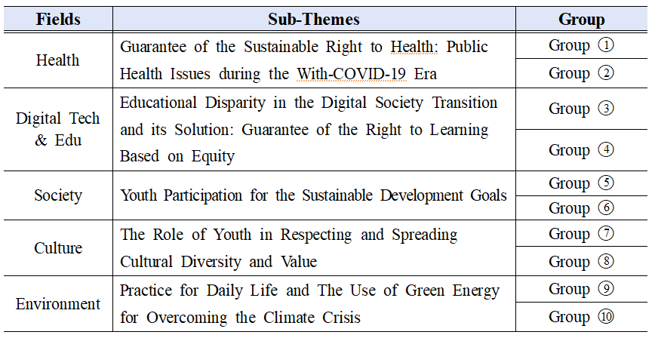 5 sub-themes

